Bug report
 | Indian railways
 | Prepared by | shivani.k

1 | The UI is not responsive for verifing email | 1. Launch IRCTC website 2. Enter all the information to register 3.Click on ok button to continue Expected result: The UI for verifing email to get OTP Actual Result: The UI for Verifing email is not recieving OTP | High | Open | Shivani konnegari | Raghavendra BN | 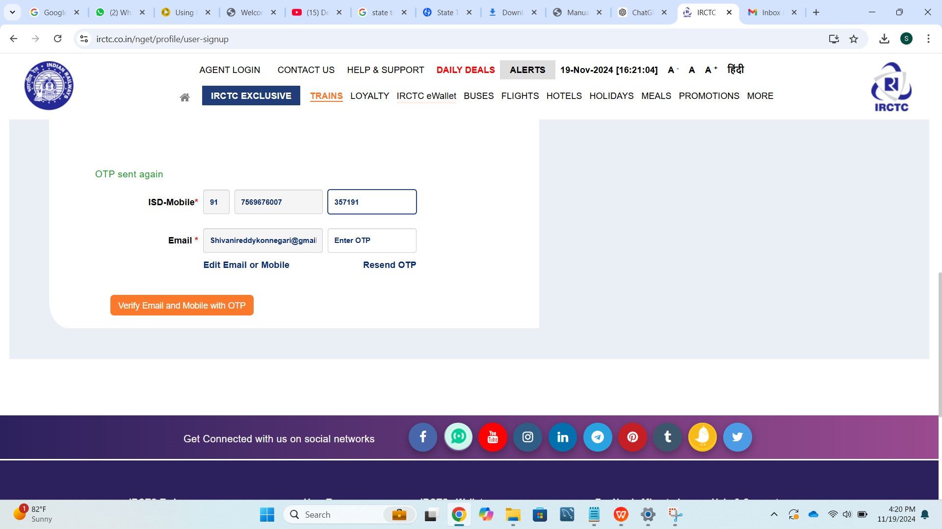
2 | The UI is directing to another website | 1.Launch and login to IRCTC website 2.Click on Daily deals Expected result: Daily deals of indian railways has to be displayed Actual Result: Directing to amazon website | High |  | Shivani konnegari | Raghavendra BN | 
3 | Confirmation Delays | 1.Launch and Log in to the IRCTC website 2. Search for a train and choose a suitable train. 3. Select the class and fill in details. 4. Proceed to the payment page and choose a payment method. 5. Enter payment details and complete the transaction. 6. After completing the payment, wait for the website to load the booking confirmation page. Expected Result: After the payment is processed, the website should show the booking confirmation page immediately. Actual result: The booking confirmation page takes several minutes to load. | High |  | Shivani konnegari | Raghavendra BN | Screenshot not available
4 | Technical Glitches during PNR Status Check | 1.Launch and login ti IRCTC website 2. On the homepage, navigate to the "PNR Status" section. 3.: Enter a valid PNR number in the provided input box. Step 4: Click the "Check PNR Status" button. Expected Result: The website should display the current status of the entered PNR. Actual result: it may either show a "No Information" error or display incorrect data | Medium |  | Shivani konnegari | Raghavendra BN | Screenshot not available
5 | Ticket Cancellations and Refund Issues | 1.Launch and login ti IRCTC website 2. Go to the "Booked Ticket History" section under your account. 3. Select the ticket you wish to cancel. 4. Click the "Cancel Ticket" option. 5. Follow the prompts to confirm the cancellation. 6.Make the payment (if applicable for cancellation fee). Expected Result: A confirmation message should appear stating that the cancellation is successful, and the refund process should be initiated. Actual result: After cancellation no cancellation confirmation is displayed. | High |  | Shivani konnegari | Raghavendra BN | Screenshot not available
6 | Account Logout Issues in Mobile App | 1. Log in to the IRCTC app using your credentials. 2. Log out of the app by selecting the "Logout" option. 3. Attempt to log in again. Expected Result: The app should log out properly and allow you to log in again without issues. Actual result: The app may fail to log out properly or encounter issues when re logging. | Medium |  | Shivani konnegari | Raghavendra BN | Screenshot not available
7 | Login Fails After Page Refresh | 1.Launch and Log in to the IRCTC website. 2. While logged in, press F5 or click the "Refresh" button on your browser. 3. Attempt to navigate to another page or use any of the features (e.g., booking a ticket, checking train availability). Expected Result: You should remain logged in and be able to access all features without issues. Actual result: After refreshing the page, the website log out automatically. | High |  | Shivani konnegari | Raghavendra BN | Screenshot not available
8 | Payment issues | 1. Launch and Log in to the IRCTC website. 2. Select a train and proceed to the payment page. 3. Choose a payment method and enter payment details (e.g., debit card, UPI, etc.). 4. Complete the payment, and the payment gateway shows that the transaction is successful, with the amount deducted from the account. 5. Return to the IRCTC website or wait for the booking confirmation page. Expected Result: After a successful payment, the booking should be confirmed, and the user should receive a booking reference (PNR) number. Actual result: The payment is successfully processed , but the user does not receive a booking confirmation. | High |  | Shivani konnegari | Raghavendra BN | Screenshot not available | z
9 | Booking errors Duplicate Booking or Charges | 1.Launch and Log in to the IRCTC website and search for trains. 2.Select a train and proceed to enter passenger details. 3.Complete the payment process. 4. If there is an issue with the payment gateway or network, try to book again. Expected Result: Only one booking should be created with the appropriate PNR number. Actual result: Due to a delay in payment processing or a timeout, the user may inadvertently make multiple payment attempts. This could result in multiple bookings with duplicate charges or bookings under the same passenger details. | High |  | Shivani konnegari | Raghavendra BN | Screenshot not available
10 | Search Functionality Failures | 1.Launch and Log in to the IRCTC website. 2. Enter the source, destination, and travel date. 3.Hit the "Search Trains" button and wait for the results. Expected Result: The search should process and display available trains. Actual result: The search process may take too long or even freeze, resulting in a "timeout" error or no response. | Medium |  | Shivani konnegari | Raghavendra BN | Screenshot not available

